Sheet1

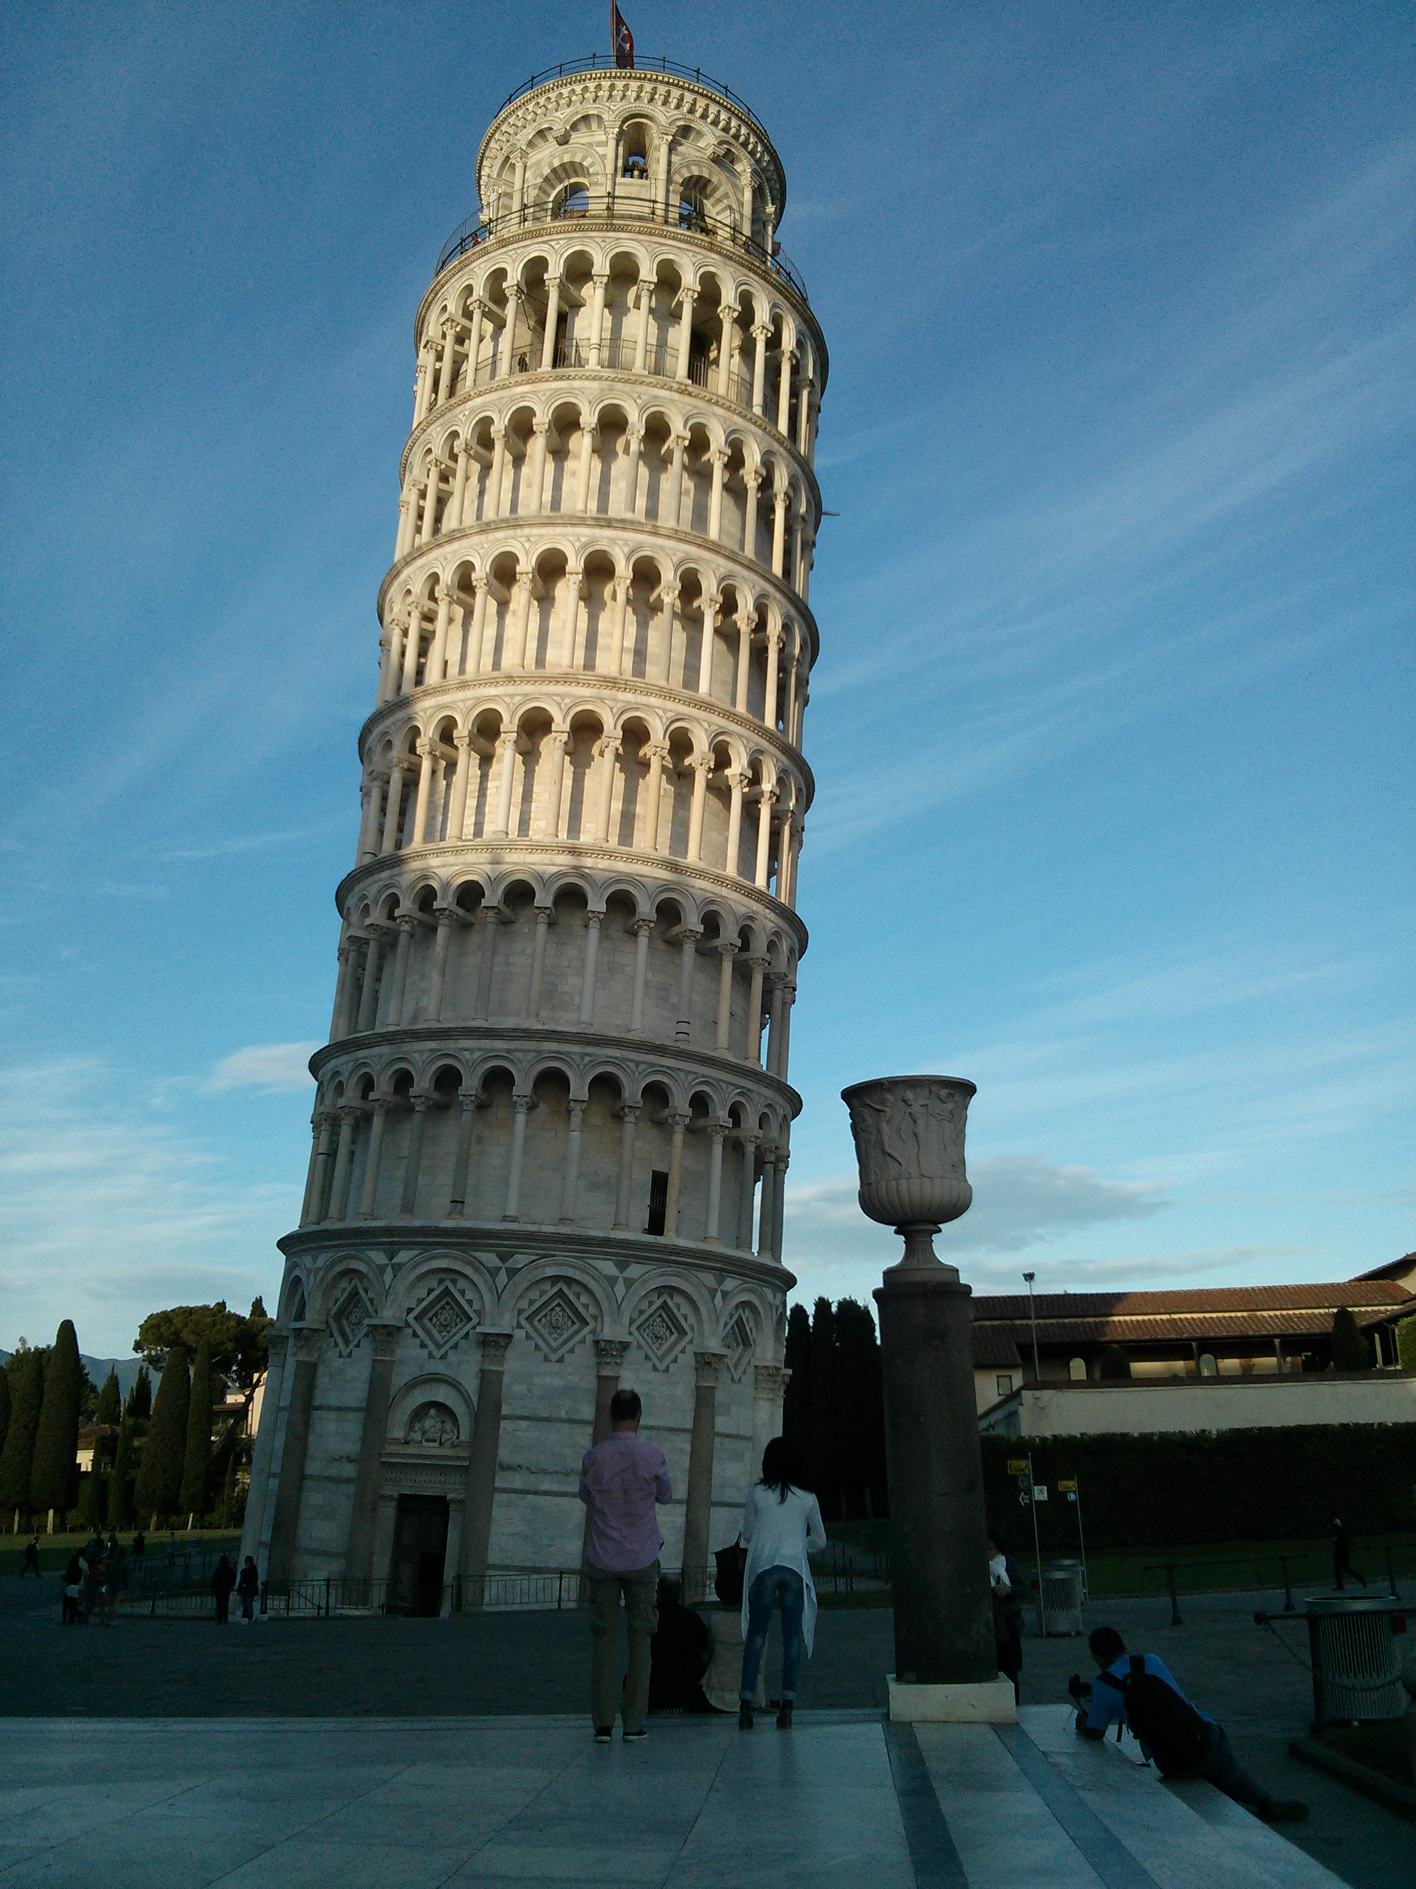
 | Boston C2:E9 | Vaadin G4:I7 | Pisa with hidden c&r | K2:Q31 | drag R2
Pictures of type 0 = "Move and size with Cells"

 | Boston C37:E44 | Vaadin G42:I45 | Pisa with hidden c&r | K38:P66 | drag R37
Pictures of type 2 = "Move but don't size with Cells"

 | Boston C72:E80 | Vaadin G76:I79 | Pisa with hidden c&r | K72:Q98 | drag 71
Pictures of type 3 = "Don't move and size with Cells"

 |  |  |  |  |  | S103

